Comps
DGS-30-198
(Rev. 04/24) |  |  | This sheet is for optional use.

PROPOSED PROJECT
Building Type
Project location (city):
HCI for proposed project: |  |  | 262.8

 |  |  |  | Cost From Database / Comparative Project
 |  |  |  | Comp #1 | Comp #2 | Comp #3 | Cost From Database
COMPARABLE PROJECT
Go
To
Database
 | a. | Project title:
 | b. | Owner:
 | c. | Project location:
 | d. | Construction contract award date:

COMPARABLE PROJECT SCOPE
 | e. | Gross area (GSF):
 | f. | Key quantity (i.e.; # of beds, cells, spaces, etc.):
 | g. | Comments:

Enter Cost Per SF
COMPARABLE PROJECT COST (or Database average)
 |  |  |  | Enter total amount | Enter total amount | Enter total amount
 | h. | Total construction contract award amount:
 | i. | Sitework & utilities amount (if not included above):
 | j. | Subtotal per GSF:

BRING COMP TO NEW LOCATION AND CURRENT DATE
 | k. | HCI for comp (see tab):
 | l. | Subtotal per GSF, adjusted for escalation and location to today:

MODIFICATIONS TO COMPARABLE PROJECT PER GSF
Itemize modifications (plus or minus) to the comparative project's sitework, utilities, or building construction cost to make it comparable in scope, complexity, etc. to the proposed project.
 |  |  | Description: | Enter amount per GSF | Enter amount per GSF | Enter amount per GSF | Enter amount per GSF
 | m1. | Modification #1:
 | m2. | Modification #2:
 | m3. | Modification #3:
 | m4. | Modification #4:

SUB-TOTAL OF COMP WITH MODIFICATIONS, NEW LOCATION, AND CURRENT DATE

TOTALS
 | n. | Total cost per GSF:
 | o. | Average Cost Per GSF: |  | #DIV/0!

Instructions
GENERAL

- This form will NOT be processed as a CO-4 or as a CO-5.
It is intended only to communicate the funding and reqeusted budget to
the Cost Review section of DEB.

- Provide information in yellow cells on the following tabs:
 | - Project Data
 | - Funding
 | - Budget

DATA ENTRY INSTRUCTIONS

- Data fields typically entered by Agencies are highlighted in yellow.

- Data fields typically entered by DEB or DPB are highlighted in blue.

- Cells highlighted in pink with "Specify" message require data entry |  |  | Specify
on the appropriate tab. I.E.: Funding info on Funding tab.

- Use the tab key to move forward to the next fillable field. |  |  | |----->

- Use the shift-tab to move backwards to the previous fillable field. |  |  | <-----|

- Some fields have "drop-down" selection arrows on the right side of the field. For these
 | types of fields, click on the arrow, then select an appropriate choice from the list.

- When complete, save the file and e-mail it to: |  | capout@dgs.virginia.gov

If you have any questions regarding completing this form, please contact your agency's Cost Reviewer.

Instructions:
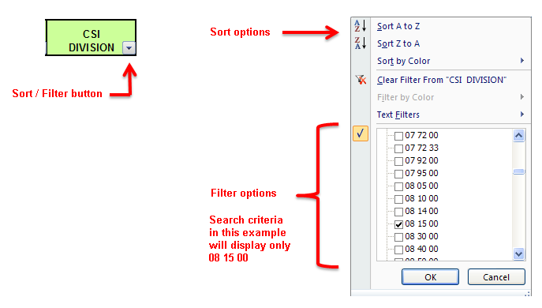

Go to conversion chart >>

Cost guidance - See DEB Newsletter #53 - May 2019 >

Cost Calculation Guidance >

