Instructions
Instructions for Completing Form VE-1, Summary of Value Engineering Recommendations

The VE-1 form is intended to summarize the A/E's, the Agency's, and DEB's
recommended disposition of the items suggested by the Value Engineering consultant.

GENERAL NAVIGATION:

To access the VE-1 Form, click on the"VE-1 Form" tab at the bottom of this sheet. (An "Example Form" tab is also provided for testing/reference.)

This spreadsheet uses the Excel Table feature. The "Table" is the area between the heavy black line and the Total line.

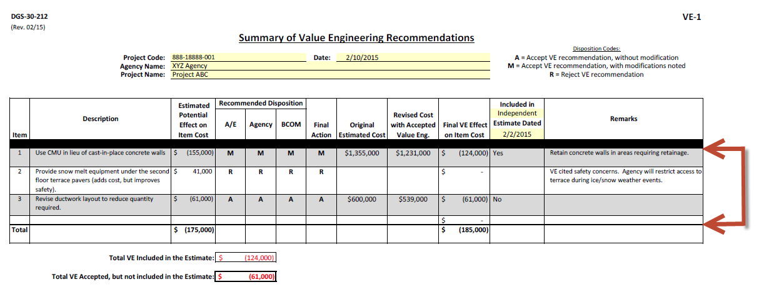

To add additional rows to the table:
 | - Select a cell within the Table.
 | - Right-click on the mouse.
 | - Select "Insert", then select either
 | "Table Rows Above" or
 | "Table Rows Below", as appropriate.

To delete rows from the table:
 | - Select a cell in the row to be deleted.
 | - Right-click on the mouse.
 | - Select "Delete" then select "Table Rows".

The users may sort and/or filter the Table data by clicking on the arrows shown below. See Excel help instructions for additional guidance.

PROJECT DATA:
Complete Project Information at the top of the form:

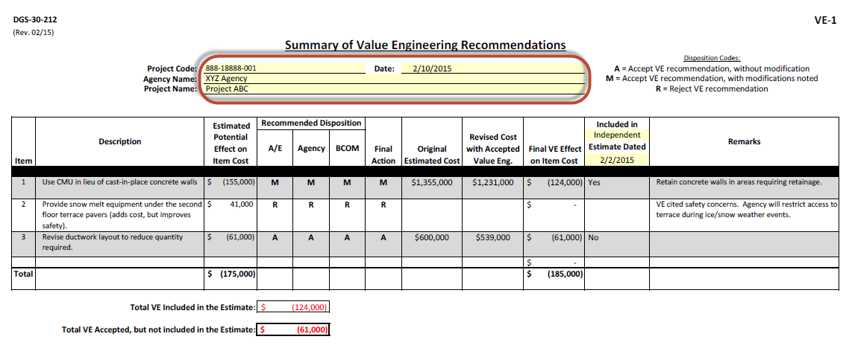
The rows will "autoexpand" to the correct height, based on the quantity of data entered.

The remainder of the form consists of three primary sections:
1) | Description/Potential Effect
2) | Disposition
3) | Final Effects
Complete these sections as follows:

1) DESCRIPTION/POTENTIAL EFFECT:

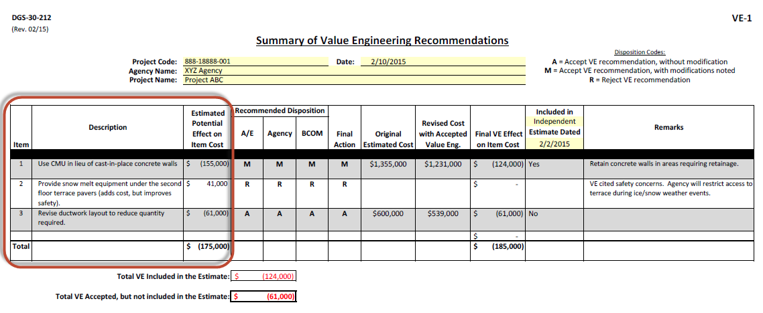

In the section indicated above, list the descriptions of each Potential VE item along with the initial estimated potential effect on cost for the item. Items that would reduce the project cost should be listed as negative.
The rows will "autoexpand" to the correct height, based on the quantity of data entered.

2) DISPOSITION:

Please use the following Disposition Codes:

A = Accept VE recommendation, without modification
M = Accept VE recommendation, with modifications noted
R = Reject VE recommendation

Provide clarifying remarks to justify "M" and "R" recommended dispositions.
BCOM will review the agency's and their design consultant's proposed item dispositions. If BCOM's
recommended disposition differs from the agency's, a meeting will be suggested to resolve the differences.

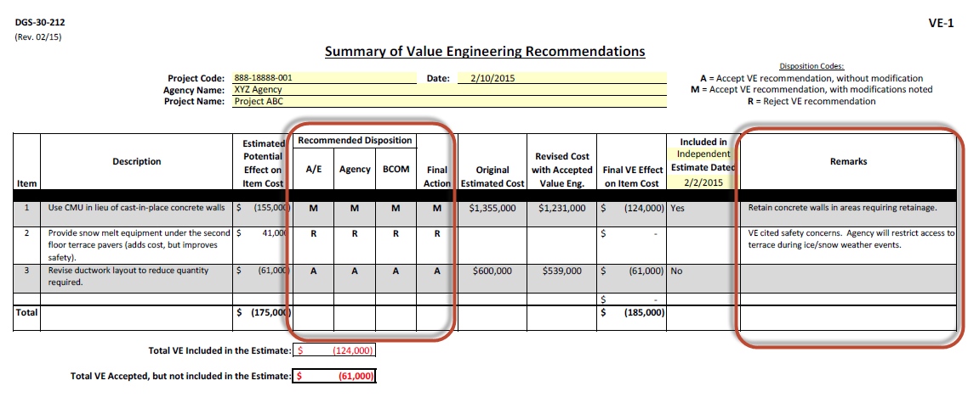

3) FINAL EFFECTS:

Include the amount from the estimate for the item under consideration in the "Original Estimate Cost" column.
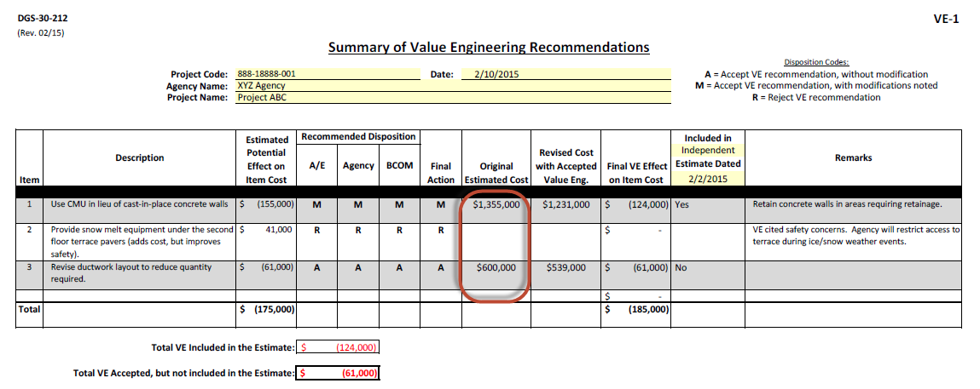

Include the revised amount for the item under consideration as if the VE was accepted in the "Revised Cost with Accepted Value Eng." column.
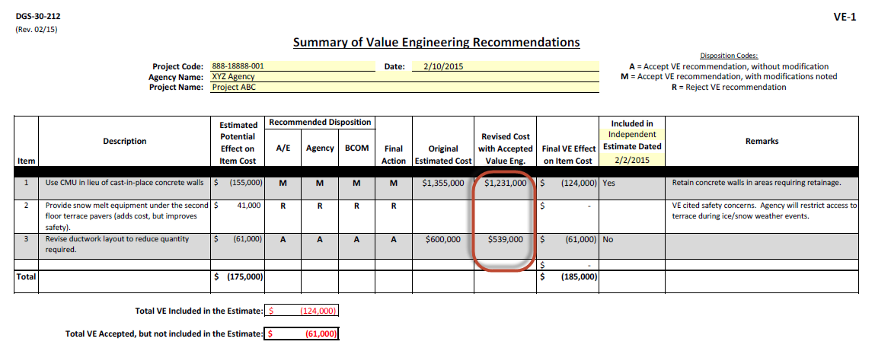

The Final Effect will be calculated from these entries.

To clarify the status of the VE item's inclusion in the estimate, place a "Yes" or "No" in from the drop down menu in the "Included in Estimate Dated" column. There is also a drop down menu to select whether the estimate being utilized as the basis of the VE item's value is the A/E estimate or the Independent Estimate.
Include the date of the estimate being utilized as the current basis of the VE.
